Water (2)
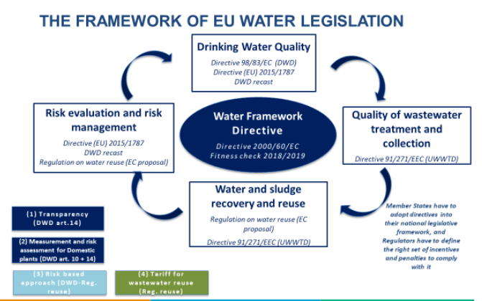
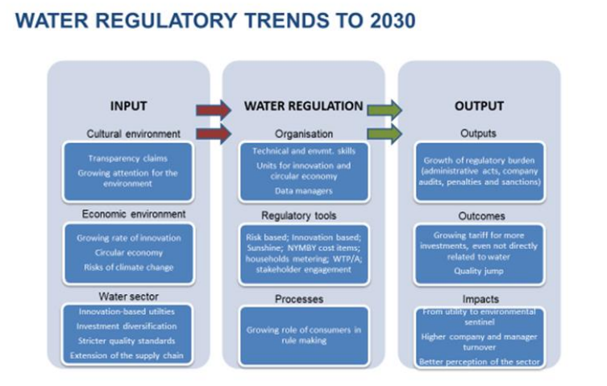
Guideline | Country | Initiative | Most relevant Economy-wide targets | Type of Risk (1-High, 2-Medium, 3-Low) | Description
 | Costa Rica | Consumption water | Decreto N°32377-S Discharge water: Decreto N°33601-S | 3
 | Ecuador | Consumption water | Norma de Calidad Ambiental y De Descargas de Efluentes: Recurso Agua Discharge water: Norma de Calidad Ambiental y De Descargas de Efluentes: Recurso Agua | 3
 | El Salvador | Consumption water | RTS 13.02.01:14 Discharge water: Plan Hidro 2009 | 3
 | United States | Consumption water | Clean Water Act- Water Quality Criteria Human Health Discharge water: Federal Water Pollution Control Act- Water Quality Standars Regulation | 3
 | Holanda, Belgica, Portugal, España, Francia, Rumania, Italia | Consumption water | DIRECTIVA 98/83/CE Discharge water: DIRECTIVA 91/271/CEE | 3 | Parametros de calidad y salubridad esenciales para aguas destinadas al consumo humano y cuidado al medio ambiente. Directiva 91/414/CEE > Calidad del agua como consumidor final.
 | Mexico | Discharge water | -Modificación NOM-001-SEMARNAT 1996 | Modificación de los parámetros de descarga (DQO, F, N) se encuentra en revisión en SEMARNAT, ya la CONCAMIN trae un documento para valorar riesgos de admitir estos cambios. -Modificación NOM-127 -NOM-001-SEMARNAT-1996 NOM-002-SEMARNAT-1996 | Se encuentra en modificación para los siguientes días del archivo Consumption water: -LEY GENERAL DE AGUAS -NMX-179-SCFI-2018 | Se encuentra en el DOF y su aplicación inicia el 20 de Julio del 2021, La aplicación pudiera ser solicitada por la autoridad en esta fecha -NOM-127-SSA1-Corrección-2000 | 1
 | Peru | Consumption water | Decreto Supremo N° 031-2010-SA Discharge water: Decreto Supremo N°021-2009-Vivienda | 3
 | Dominican Republic | Consumption water | Reglamento de agua para consumo humano Discharge water: AG-CC-01 | 3

